1. Title Page
[Purchasing Behavior Analysis]

Project Name: Purchasing Behavior Analysis
Date: February 9th 2023
Analyst Name: Katie Morgan

Contents:
Population Flow
Consistency checks
Wrangling steps
Column derivations
Visualizations
Recommendations

Project Details
Objective: | Perform an initial data and exploratory analysis of some of their data in order to derive insights and suggest strategies for better segmentation based on the provided. criteria
Context: | The Instacart stakeholders are most interested in the variety of customers in their database along with their purchasing behaviors.
 | They assume they can't target everyone using the same methods, and they’re considering a targeted marketing strategy.
 | They want to target different customers with applicable marketing campaigns to see whether they have an effect on the sale of their products.
 | Your analysis will inform what this strategy might look like to ensure Instacart targets the right customer profiles with the appropriate products.
Key Questions: | The sales team needs to know what the busiest days of the week and hours of the day are (i.e., the days and times with the most orders) in order to schedule ads at times when there are fewer orders.
 | They also want to know whether there are particular times of the day when people spend the most money, as this might inform the type of products they advertise at these times.
 | Instacart has a lot of products with different price tags. Marketing and sales want to use simpler price range groupings to help direct their efforts.
 | Are there certain types of products that are more popular than others? The marketing and sales teams want to know which departments have the highest frequency of product orders.
 | The marketing and sales teams are particularly interested in the different types of customers in their system and how their ordering behaviors differ. For example:
 |  | What’s the distribution among users in regards to their brand loyalty (i.e., how often do they return to Instacart)?
 |  | Are there differences in ordering habits based on a customer’s loyalty status?
 |  | Are there differences in ordering habits based on a customer’s region?
 |  | Is there a connection between age and family status in terms of ordering habits?
 |  | What different classifications does the demographic information suggest? Age? Income? Certain types of goods? Family status?
 |  | What differences can you find in ordering habits of different customer profiles? Consider the price of orders, the frequency of orders, the products customers are ordering, and anything else you can think of.

Data Citation
“The Instacart Online Grocery Shopping Dataset 2017”, Accessed from https://www.instacart.com/datasets/grocery-shopping-2017 on [1/13/2023]
Merged customer data, as well as the “prices” column in the products data set, were both fabricated for the Career Foundry Data Analytics course

2. Population Flow
Title page

Population flow

Exclusion flag
Condition: max_order < 5
Obervations to be removed: low activity customers
Final total count of order_products_all: 30964564

Orders_products_combined
Orders_products_merged
Orders_products_all

Total: 32404859
Total 32434489:
Total: 32404859

1.) The grey boxes in the first row of the population flow represent the original data sets as they were when you downloaded them. In the Total fields you need to add the count of the rows when you imported the data set into Jupyter.
2.) The second row of boxes (coloured) represents the data sets after you manipulated them, e.g., removed missing values and duplicates. In the Total fields you need to add the count of the rows after conducting these operations. This offers a visual oveview of how the data flows throughout the data consistency checks.
3.) The third row, where also the arrows are coloured, represents the merges you performed between the datasets. In the Total fields you need to add the count of the rows in the merged datasets, so that you end up with the final dataset (in the red box). Keep in mind the final dataset should be without exclusions (based on the exclusion flag).

3. Consistency checks
 |  |  |  | Title page
Consistency checks

Dataset | Missing values | Missing values treatment | Duplicates
orders | 206209 missing values in days_since_prior_order | Valuesused as a flag to signify first time customer | None
products | 16 Product Names | New Dataframe made with missing values filtered out | 5 rows
customers | First Names | Left as is - names not a necessary column | None

4. Wrangling steps
 |  |  |  | Title page
Wrangling steps

Columns dropped | Columns renamed | Columns' type changed | Comment/Reason
 | Customers - Surnam-> Last Name |  | Clarification/spelling
 | Customers - STATE->State |  | Label Consistancy
Orders - eval_set |  |  | Unecessary
 |  | Orders - order_number (str) | Holds no numerical purpose
 | Orders - order_number-> order_#
 | Orders - order_dow->orders_day_of_week |  | Clarification
 |  | Orders - order_id (str) | Holds no numerical purpose
 |  |  | prices column exclude over $100

Data security concerns:
PII: The First and Last name columns should be handled with care especially when presenting findings. If concerns arise, either, or both, name columns can be dropped for analyisis purposes.

5. Column derivations
 |  |  |  | Title page

Column derivations and aggregations

In this tab you should add tables below that the frequences of flags/label variables that you produced after deriving them. NB: don't do this for continuous variables, only for flags.
Dataset | New column | Column/s it was derived from | Conditions
orders_products_merged | price_range | Price | <=5 low range product, >5<=15 mid range product, >15 high range product
orders_products_merged | busiest_days | orders_day_of_week | 2 days with most orders - busiest days, 2 with lowest orders - least busy, rest -regularly busy
orders_products_merged | busiest_period_of_day | order_hour_of_day | 2 hours with most orders - most orders, 2 hours with lowest - fewest orders, rest - average orders
orders_products_merged | loyalty_flag | max_order | >40 loyal customer, <=40>10 regular customer, <=10 new customer
orders_products_merged | spending_flag | average_price | <10 low spender, >=10 high spender
orders_products_merged | frequency_flag | order_frequency | >20 frequent customer, <=20>10 regular customer, <=10 non-frequent customer
orders_products_all | Region | State | As defined by wikipedia region page
orders_products_all | income_flag | income | <60000 low income, >=60000<120000 regular income, >=120000<180000 high income >=180000 very high income

6. Visualizations
 |  |  | Title page

Visualisations

In this tab you should include all the visualtions from Exercises 4.9 and 4.10, alongside the questions from the project brief that they answer. Include any commentary on the relationship between different variables.

Figure 1
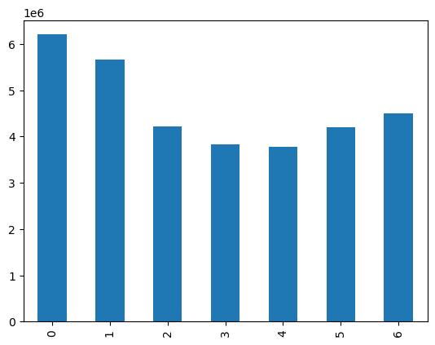
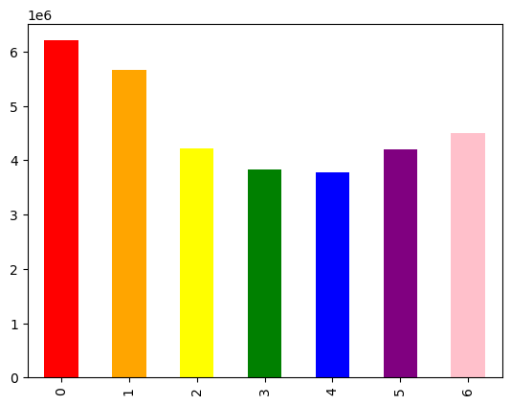
 | Orders days of the week value counts
 | 0=Saturday
 | Saturday and Sunday are the busiest days of the week

Figure 2

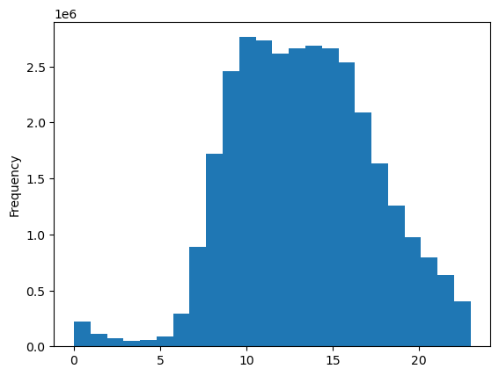
 | Orders Hour each day
 | Histogram demonstrates that the hours 10-12 are the busiest hours gradual decline in orders 3-10pm, with the lowest orders 1am-6am.
 | with 12-3 still very busy, and fairly evenly so. It also shows the quicker incline from 7-10 and more

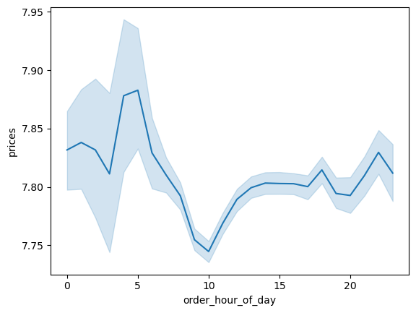
Figure 3
 |  | Average prices per hour line chart
 |  | Customers spend the most money around 5 am, and the least at 10am
 |  | Prices spike around 5pm to 6am.

Figure 4
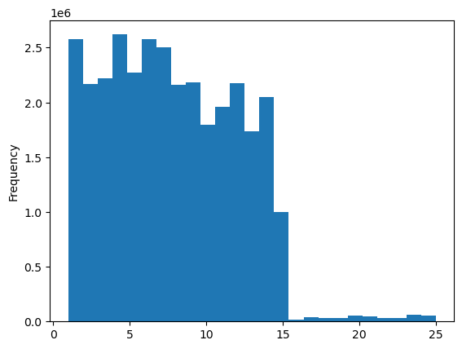
 | Prices Histogram
 | Customers spend regularly in the price range of $1-$14

Figure 5

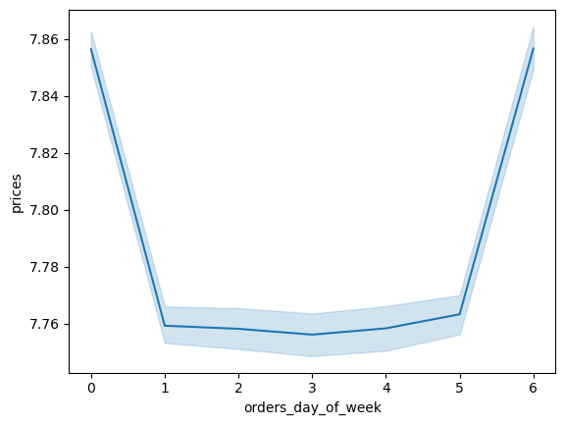
 |  | Prices per day line graph
 |  | Customers spend slightly higher prices on Friday and Saturday

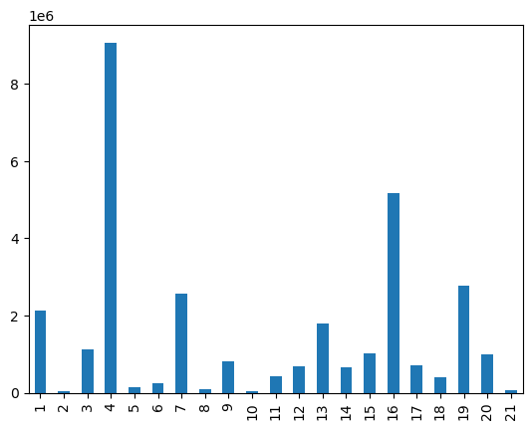
Figure 6 |  |  |  | 1 | frozen
 |  |  |  | 2 | other
 |  |  |  | 3 | bakery
 |  | Products purchased by department |  | 4 | produce
 |  | The most popular Item by a wide margin is 4 |  | 5 | alcohol
 |  | followed by 16, 19, 7, 1 |  | 6 | international
 |  |  |  | 7 | beverages
 |  |  |  | 8 | pets
 |  |  |  | 9 | dry goods pasta
 |  |  |  | 10 | bulk
 |  |  |  | 11 | personal care
 |  |  |  | 12 | meat seafood
 |  |  |  | 13 | pantry
 |  |  |  | 14 | breakfast
 |  |  |  | 15 | canned goods
 |  |  |  | 16 | dairy eggs
 |  |  |  | 17 | household
 |  |  |  | 18 | babies
 |  |  |  | 19 | snacks
 |  |  |  | 20 | deli
 |  |  |  | 21 | missing

Figure 7
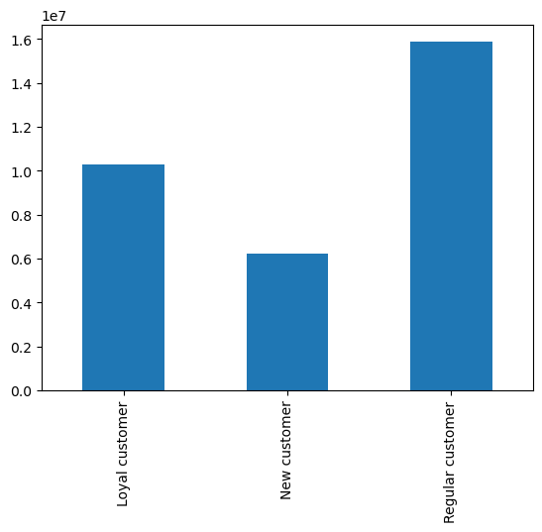

 | Brand Loyalty Value counts
 | The largest group is a regular customer, and the smallest group is new customer

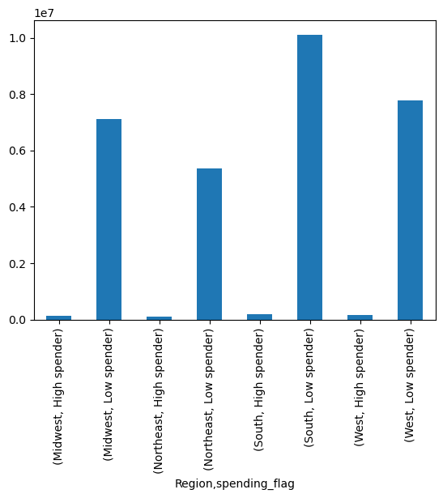
Figure 8

 |  | Customer Regions
 |  | Most customers are considered low spenders, does not seem to vary by region.
 |  | Note: South has the most customers

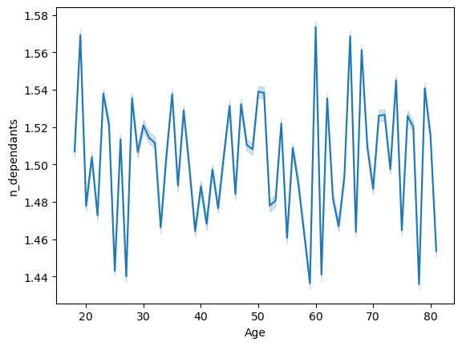
Figure 9
 |  | Age and family size
 |  | line chart indicates that there is no connection between age and number of dependents.


Figure 10
 |  | Age and income
 |  | Scatterplot shows that there is a substantial jump at the age of 40 for customers to more likely to have a larger income, in the mid range salaries and especially above 400000 as there are no customers under 40 with a salary above 400000.

Figure 11

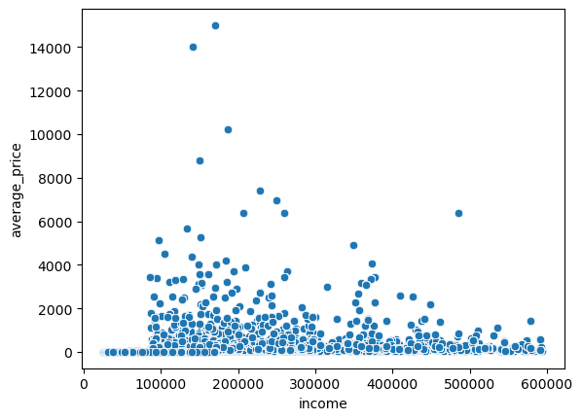
 | Spending and income

 | Prices a bit higher and concentranted in the lower half of incomes

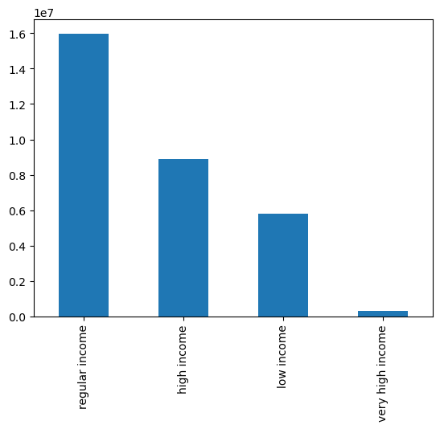
Figure 12
 | Distribution of income flag

Figure 13

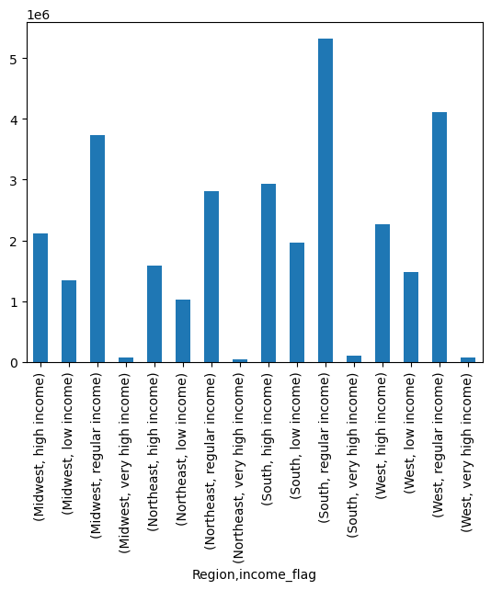
 | Income and Region
 | There does not appear to be a connection between higher income and region

7. Recommendations
 |  | Title page

Recommendations

In this tab you should include any recommendations you would made to Instcart in terms of their marketing strategy based on the questions posed in the brief. Every key question has been covered in the Tasks of the Exercises - here you need to add an item - a visualisation or table/crosstable that is showing the answer in the data, acompanied by a comment from you. Please, list the questions below and add the answer underneath.

 | Note: Figures reffered to are located in tab 6. Visualizations

Question | Answer
Marketing and sales want to use simpler price range groupings | A new column was derived to simplify price ranges as low, mid, high.
What are the busiest days of the week and hours of the day? | Saturday and Sunday are the busiest days of the week (see figure 1)
 | 9-5 are the busiest hours, with 10-12 being the busiest. (see Figure 2)
Are there particular times of the day when people spend the most money? | customers spend the most money around 5 am, and the least at 10am
 | Prices spike around 5pm to 6am. (see Figure 3)
 | Customers spend regularly in the price range of $1-$14 (see Figure 4)
What types of products that are more popular than others? | The most popular product by a wide margin is Produce (see Figure 6)
 | Next most popular products are dairy/eggs, snacks, beverages, and frozen
What’s the distribution among users in regards to their brand loyalty? | The largest portion of instacarts customers are regular customers, with a high number
 | of loyal customers, and the smallest group being new customers. (see Figure 7)
Are there differences in ordering habits based on a customer’s region? | Most customers are considered low spenders, does not seem to vary by region.
 | (see Figure 8) Note: South has the most customers
Is there a connection between age and family status in terms of ordering habits? | There does not appear to be a connection between age and family size (see Figure 9)
Is there a connection between higher income and spending habits | Prices a bit higher and concentranted in the lower half of incomes (see Figure 11)
 | There does not appear to be a connection between higher income and region (see Figure 13)

Recommendations
(Not to all be implemented)
Ads should be targeted on the weekends (the busiest days)
Ad saturation should be highest 9-5 with a concentration at 10-12 (busiest hours)
Ads for higher prices items should be targeted later in the eavening and peaking early morning
Use popular items such as snacks and beverages as add ons to boost sales
Look into promotions for regular customers and new customers to boost number of orders
Since South has the most customers (and presuing not close to customer saturation - can do further analysis) promote growth with targeted ads or promotions
Customers with regular income are the largest customer base and could be targeted

